Sheet1
Engine Harness Bulkhead: |  |  |  |  |  |  | Dash Cluster Harness Bulkhead: |  |  |  |  |  |  |  |  | Body Harness Bulkhead:✅
Pin Number | Name | Type | Typical Function | Color | Source | Destination | Pin Number | Name | Type | Typical Function | Color | Source | Destination | Notes |  | Pin Number | Name | Type | Typical Function | Color | Source | Destination | Notes
1 | Sensor Ground | GND | Sensor Ground | Black | ECU | Sensor Grounds | 1 | Cluster 12V | 12V | 12V | Red | Pin 32 PDM A |  |  |  | 1 | Headlight Power | 12V | Headlight Power | Red | 4x6 Headlight 12V | Pin 8 and 20 PDM B
2 | Water Temp Signal DC | SIG | Davies Craig Water Pump GND | Black/Blue | EWP Controller (Blue) | EWP Thermistor (Black Blue) | 2 |  |  |  |  |  |  |  |  | 2 | Headlight HB | 12V | Headlight HB | White | 4x6 Headlight HB | Pin 12 PDM B
3 | Oil Temp Signal | SIG | Oil Temperature Sensor | LT Brown | Pin 45 DH BH | Temp Sensor | 3 |  |  |  |  |  |  |  |  | 3 | DRL | 12V | DRL | Red | 4x6 Headlight DRL | Towards PDM B | Not Connected
4 | Starter | 12V | Starter | Red/Black | Pin 24 PDM A | Starter | 4 | Cluster GND | GND | GND | Black/Grey | GND Terminal |  |  |  | 4 | TS RT | 12V | TS RT | White/Red | CTC Pin | Pin 27 PDM B (White/Red)
5 | Alternator 12V Out | 12V | Alternator 12V Out | White | 12V Splice BMM 1A | Alternator | 5 |  |  |  |  |  |  |  |  | 5 | DRL AUX | 12V | DRL AUX | Yellow | TBD | Towards PDM B | Not Connected
6 | Alternator 12V In | 12V | Alternator 12V In | Green | 12V Splice BMM 1B | Alternator | 6 |  |  |  |  |  |  |  |  | 6 | TS LT | 12V | TS LT | White/Yellow | TS LT | Pin 24 PDM B (White/Yellow)
7 | Aem Temp Signal | SIG | AEM Water Temp Gauge | White Blue | Pin 36 DH BH | Water Temp Guage | 7 |  |  |  |  |  |  |  |  | 7 | Water Pump Ground | GND | Water Pump Ground | Black | DC EWP GND | WaterPump
8 | Cylinder 3 Fuel | SIG | Injector Cyl 3 | Green | ECU 3 - 3Y | Injector Cyl 3 | 8 |  |  |  |  |  |  |  |  | 8 | Water Pump Power | 12V | Water Pump Power | Blue/Black | DC EWP 12V | Towdards PDM B
9 | IAT Signal | SIG | IAT | Brown | ECU 3 - 3P | IAT Sensor | 9 |  |  |  |  |  |  |  |  | 9 | Fan Blue | 12V | Fan Blue | Blue | DC Fan 12V | Pin 9 PDM B
10 | N/C | N/C | N/C | N/C | N/C | N/C | 10 |  |  |  |  |  |  |  |  | 10 | AUX Light Bar | 12V | AUX Light Bar | White/Red | TBD | Pin 4 PDM B
11 | Knock | SIG | Knock Sensor | Red/Orange | ECU 2- 2P | Knock Sensor | 11 |  |  |  |  |  |  |  |  | 11 | AUX | 12V | AUX | Grey/Black | TBD | PDM B
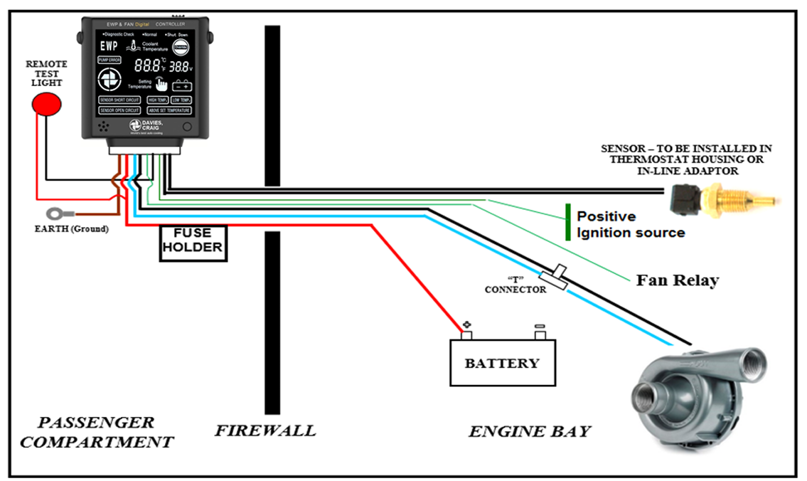
12 | AEM Failsafe Wideband | LSU | AEM O2 FS | Green | Pin 41 DH BH | LSU 4.2 | 12 |  |  |  |  |  |  |  |  | 12 | AUX | 12V | AUX |  | TBD | PDM B
13 | AEM Failsafe Wideband | LSU | AEM O2 FS | Black | Pin 40 DH BH | LSU 4.2 | 13 |  |  |  |  |  |  |  |  | 13 | AUX Ground | GND | AUX Ground | Black | GND | PDM B
14 | AEM Failsafe Wideband | LSU | AEM O2 FS | Red | Pin 42 DH BH | LSU 4.2 | 14 |  |  |  |  |  |  |  |  | 14 | Cyl 1&4 Spark | SIG | Coil Pack SIG | Drk Blue | ECU 1 - 1G | Cyl 1 & 4 VAG
15 | Oil Pressure 12V | 12V | Oil Pressure Voltage | Red | Pin 44 DH BH | Oil Pressure Voltage | 15 |  |  |  |  |  |  |  |  | 15 | Spark AUX | SIG | Coil Pack SIG | Brown/Orange | N/C | Coil Pack AUX
16 | Oil Pressure Signal | SIG | Oil Pressure Signal | Green | Pin 43 DH BH | Oil Pressure Signal | 16 |  |  |  |  |  |  |  |  | 16 | Cyl 2&3 Spark | SIG | Coil Pack SIG | Green | ECU 1 - 1H | Cyl 2-3 VAG
17 | AEM Failsafe Wideband | LSU | AEM O2 | White |  | Pin 37 DH BH | 17 |  |  |  |  |  |  |  |  | 17 | Spark AUX | SIG | Coil Pack SIG | Orange | N/C | Coil Pack AUX |  | For Pin 0
18 | Fuel Pressure Absolute SIG | SIG | Fuel Pressure Signal | Purple/White | ECU Pin | EH BH Pin | 18 |  |  |  |  |  |  |  |  | 18 | Spark 12V | 12V | Coil Pack 12V | Red | Spark Relay 1 | Coil Pack 12V
19 | N/C | N/C | N/C | N/C | N/C | N/C | 19 |  |  |  |  |  |  |  |  | 19 | Spark 12V | 12V | Coil Pack 12V | Red | Spark Relay 2 | Coil Pack 12V
20 | Cylinder 1 Fuel | SIG | Injector Cyl 1 | Yellow | ECU - 3U | Injector Cyl 1 | 20
21 | AEM Sensor Ground | GND | Sensor GND | Black | ECU - 2K |  | 21
22 | Cylinder 4 Fuel | SIG | Injector Cyl 4 | Green/Black | ECU 3 - 3Z | Injector Cyl 4 | 22
23 | N/C | N/C | N/C | N/C | N/C | N/C | 23
24 | N/C | N/C | N/C | N/C | N/C | N/C | 24 | Analog Out | Data | AEM FP | White/Grey | AEM FP Gauge | ECU
25 | AEM Wideband (LSU 4.2) | LSU | AEM O2 | Brown | Pin 38 DH BH | LSU 4.2 | 25 | Serial Out | Data | AEM FP | Blue | AEM FP Gauge | ECU
26 | CAS 12V In | 12V | CAS | Green/Brown | 12V? | CAS | 26 | Analog Out | Data | AEM OP | White | AEM OP Gauge | ECU
27 | CAS Signal | SIG | CAS | Dark Blue | ECU 3 - 3G | CAS | 27 | Serial Out | Data | AEM OP | Blue | AEM OP Gauge | ECU
28 | AEM Wideband (LSU 4.2) | LSU | AEM O2 | Orange | Pin 39 DH BH | LSU 4.2 | 28 | Analog Out | Data | AEM H20 | White | AEM H20 Gauge | ECU
29 | Boost Controller Signal | SIG | MAC 3-Port Signal | Grey/Brown | ECU 2 - 2J | MAC 3-Port | 29 | Serial Out | Data | AEM H20 | Blue | AEM H20 Gauge | ECU
30 | Boost Controller 12V | 12V | MAC 3-Port 12V | Pink/Blue | 12V Splice BMM 1A | MAC 3-Port | 30 |  |  | AEM FS | Green/Black
31 | BMM Wideband (LSU 4.9) | LSU | Beer Money LSU 4.9 | Yellow | LSU 4.9 Pin 2 | LSU 4.9 Pin 2 | 31 | Failsafe Lowside | GND | AEM FS | Blue | AEM FS Gauge | GND Terminal
32 | N/C | N/C | N/C | N/C | N/C | N/C | 32 | AFR Output | Signal | AEM FS | White | AEM FS Gauge | ECU
33 | Cylinder 2 Fuel | SIG | Injector Cyl 2 | Yellow/White | ECU 3 - 3V | Injector Cyl 2 | 33 | Ground Out | GND | AEM FS | Brown | AEM FS Gauge | GND Terminal
34 | Injector 12V In | 12V | Injector Power | Red | ECU 3 - 3Z? | Injector Harness | 34
35 | BMM Wideband (LSU 4.9) | LSU | Beer Money LSU 4.9 | Red | LSU 4.9 Pin 1 | LSU 4.9 Pin 1 | 35 | Boost Out | Signal | AEM FS | White/Yellow | AEM FS Gauge | ECU
36 | BMM Wideband (LSU 4.9) | LSU | Beer Money LSU 4.9 | Black | LSU 4.9 Pin 6 | LSU 4.9 Pin 6 | 36 | AEM Water Temp | Signal | AEM H20 | White/Blue | AEM H20 Gauge | Pin 7 EH BH
37 | VTPS & FPA Power | 5V | VTPS 5V | Red | ECU 3 - 3K | BMW VTPS & Honeywell FPS-Abs | 37 | O2 Sensor Harness | LSU 4.7 | AEM O2 | White | AEM FS Gauge | Pin 17 EH BH |  |  |  | 8-Pin DT Connector Water Pump Controller |  |  |  |  | 12-Pin DT Connector Fuel Pump
38 | VTPS Signal | SIG | VTPS SIG | Lt Green | ECU 3 - 3I | BMW VTPS | 38 | O2 Sensor Harness | LSU 4.7 | AEM O2 | Brown | AEM FS Gauge | Pin 25 EH BH |  |  |  | Pin Number | Name | Color | Destination | Coming From | Pin Number | Name | Color | Destination | Coming From | Notes
39 | N/C | N/C | N/C | N/C | N/C | N/C | 39 | O2 Sensor Harness | LSU 4.7 | AEM O2 | Orange | AEM FS Gauge | Pin 28 EH BH |  |  |  | 1 | 12V | Red | Pin 0 Cartek |  | 1 | E85 Power | Red/White
40 | N/C | N/C | N/C | N/C | N/C | N/C | 40 | O2 Sensor Harness | LSU 4.7 | AEM O2 | Black | AEM FS Gauge | Pin 13 EH BH |  |  |  | 2 | GND | Brown | Chassis GND |  | 2 | E85 Signal | Blue/Pink
41 | BMM Wideband (LSU 4.9) | LSU | Beer Money LSU 4.9 | White/black | LSU 4.9 Pin 3 | LSU 4.9 Pin 3 | 41 | O2 Sensor Harness | LSU 4.7 | AEM O2 | Green | AEM FS Gauge | Pin 12 EH BH |  |  |  | 3 | Pump Power | Blue | BH BH - Pin 8 |  | 3 | E85 Ground | White/Grey
42 | CAS Signal | SIG | CAS | Yellow | ECU 3 - 3E | CAS | 42 | O2 Sensor Harness | LSU 4.7 | AEM O2 | Red | AEM FS Gauge | Pin 14 EH BH |  |  |  | 4 | GND Pump | Black - 16 AWG | BH BH - Pin 7 |  | 4 | Fuel Pump | Blue/Orange
43 | OEM Water Temp | SIG | OEM Water Temp | Light Blue | ECU 3 - 3S | OEM Water Temp | 43 | Oil Pres Sensor | Sensor Sig | Oil Pressure Sending Unit | Green | Pin 16 EH BH |  |  |  |  | 5 | Sensor SIG | Black w/ Grey Stripe | BH EH - Pin |  | 5 | Radio 12V | Red
44 | AEM Fuel Pressure Signal | SIG | Fuel Pressure | Green/Blue | Pin 46 DH BH | Fuel Pressure Sending Unit | 44 | 12V OP | 12V | Oil Pressure Voltage | Red | Pin 32 PDM A | Pin 15 EH BH |  |  |  | 6 | Sensor GND | Black - 22 AWG |  |  | 6 | AUX | Pink
45 | AEM Fuel Pressure Voltage | 5V | Fuel Pressure | Red | Pin 47 DH BH | Fuel Pressure Power | 45 | Oil Temp Sensor | Sensor Sig | Oil Temperature Sending Unit | Light Brown | Pin 3 EH BH |  |  |  |  | 7 | 12V IGN | Green | CBC - Pin |  | 7 | AUX | Blue
46 | BMM Wideband (LSU 4.9) | LSU | Beer Money LSU 4.9 | Green/Yellow | LSU 4.9 Pin 5 | LSU 4.9 Pin 5 | 46 | Fuel Pres Temp | Sensor Sig | Fuel Pressure Sending Unit | Green/Blue | Pin 44 EH BH |  |  |  |  | 8 | Fan Relay | Green/Black |  |  | 8 | AUX | Green
47 | BMM Wideband (LSU 4.9) | LSU | Beer Money LSU 4.9 | Grey | LSU 4.9 Pin 4 | LSU 4.9 Pin 4 | 47 | 12V FP | 12V | Fuel Pressure Power | Red | Pin 32 PDM A | Pin 45 DH BH |  |  |  |  |  |  |  |  | 9 | AUX | Purple
Cartek Black Connector: ✅ |  |  |  |  |  |  | Cartek Blue Connector:✅ |  |  |  |  |  |  |  | Cartek Programming Allocatino |  |  |  |  |  |  | 10 | N/C | N/C | N/C | N/C
Pin Number | Name | Type | Typical Function | Color | Destination | Notes | Pin Number | Name | Type | Typical Function | Color | Destination | Notes |  | Pin Number | Name | Amperage Rating | Amperage Setting | Function Setting | Notes |  | 11 | N/C | N/C | N/C | N/C
0 | 12V Main | Main | 12V In from Battery | Red | Main 12V Constant |  | 0 | 12V Main | Main | 12V In from Battery | Red | 12V Const/Water Pump/Radio |  |  |  |  |  |  |  |  |  | 12 | N/C | N/C | N/C | N/C
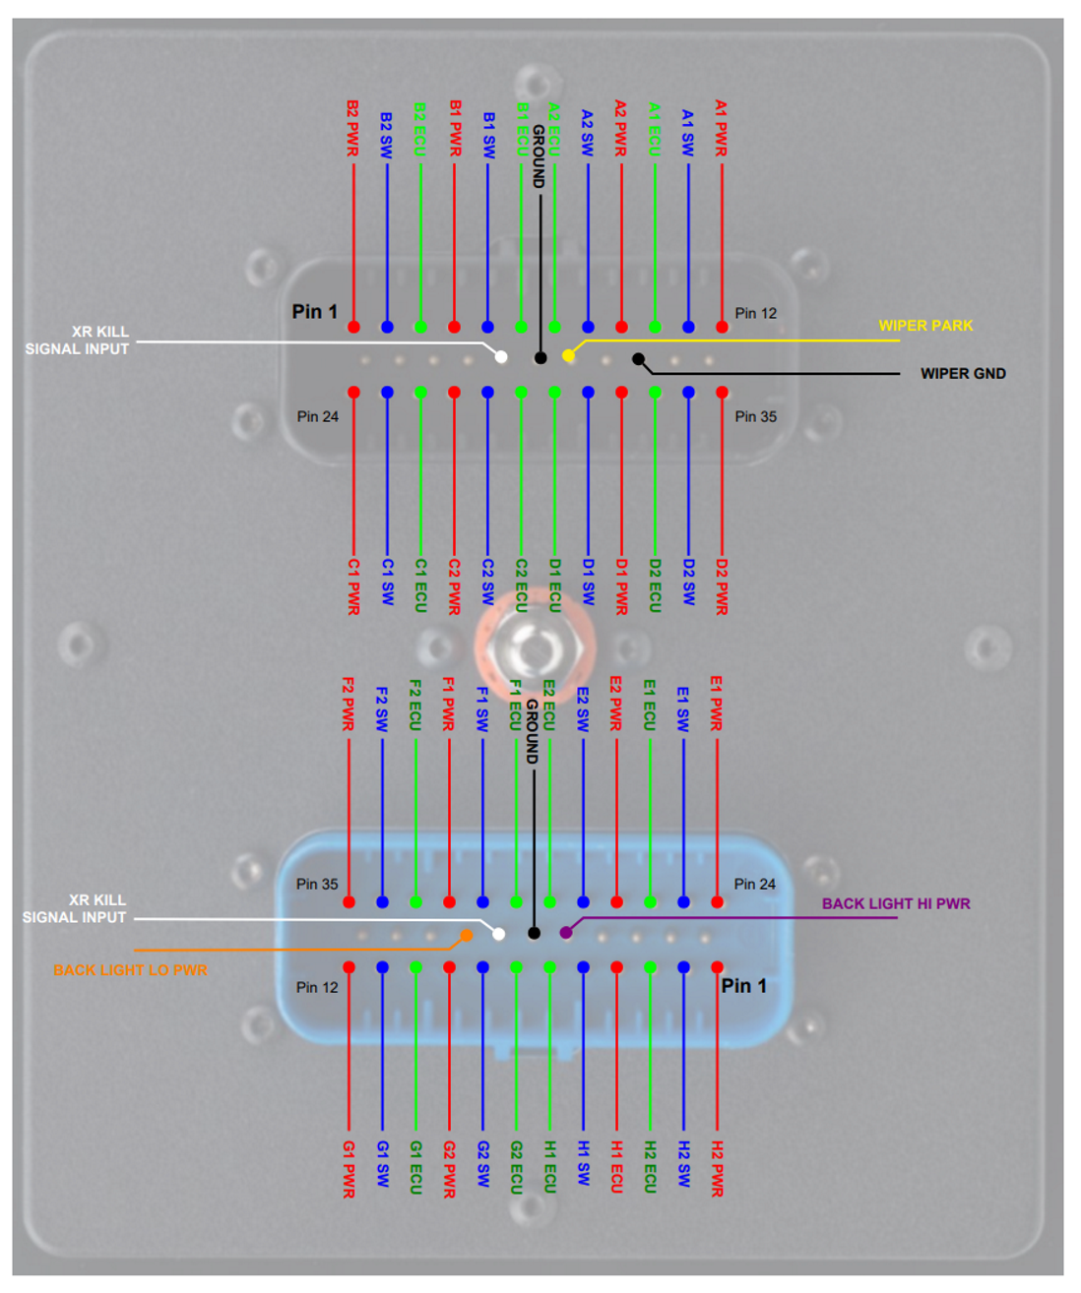
1 | Fuel Pump | 12V | Channel B2 Power Output | Blue/Orange | Fuel Pump |  | 1 | N/C | 12V | Channel H2 Power Output |  |  |  |  | A1 | Toggling Wiper Slow | 7.5A | 2 | 8
2 | N/C | SIG | Channel B2 Switch Input/Output | N/C | N/C |  | 2 | N/C | SW | Channel H2 Switch Input/Output |  |  |  |  | A2 | Toggling Wiper Fast | 7.5A | 2 | 8
3 | N/C | 0V SIG | Channel B2 ECU Input | N/C | N/C |  | 3 | N/C | 0V SIG | Channel H2 ECU Input |  |  |  |  | B1 |  | 15A | 4 | 2
4 | N/C | 12V | Channel B1 Power Output | N/C | N/C |  | 4 | Spot Aux | 12V | Channel H1 Power Output | White/Red | Pin 10 BH BH |  |  | B2 | Latching Without Memory Fuel Pump | 15A | 4 | 2
5 | N/C | SIG | Channel B1 Switch Input/Output | N/C | N/C |  | 5 | N/C | SW | Channel H1 Switch Input/Output |  |  |  |  | C1 | Momentary Start | 30A | 4 | 3
6 | N/C | 0V SIG | Channel B1 ECU Input | N/C | N/C |  | 6 | N/C | 0V SIG | Channel H1 ECU Input |  |  |  |  | C2 | Latching Without Memory Ign On | 15A | 4 | 1
7 | N/C | 0V SIG | Channel A2 ECU Input | N/C | N/C |  | 7 | N/C | 0V SIG | Channel G2 ECU Input |  |  |  |  | D1 | Latching Without Memory ECU | 15A | 4 | 1
8 | N/C | SIG | Channel A2 Switch Input/Output | N/C | N/C |  | 8 | N/C | SW | Channel G2 Switch Input/Output | Red | Pin 1 BH BH |  |  | D2 | Aux Momentary | 15A | 4 | 1
9 | N/C | 12V | Channel A2 Power Output | N/C | N/C |  | 9 | Low Beam/Tail | 12V | Channel G2 Power Output |  |  |  |  | E1 | Flashing LT TS | 10A | 3 | 7
10 | N/C | 0V SIG | Channel A1 ECU Input | N/C | N/C |  | 10 | N/C | 0V SIG | Channel G1 ECU Input |  |  |  |  | E2 | Flashing RT TS | 10A | 3 | 7
11 | N/C | SIG | Channel A1 Switch Input/Output | N/C | N/C |  | 11 | High Beam | SIG | Channel G1 Switch Input/Output | White/Black |  |  |  | F1 | Latching without memory Fan | 25A | 6 | 2
12 | N/C | 12V | Channel A1 Power Output | N/C | N/C |  | 12 | High Beam | 12V | Channel G1 Power Output | White | Pin 2 BH BH | Pedal Box (White/Black Stripe) |  | F2 | Hazard | 0A | 0 | N/A
13 | NA | NA | NA | NA | NA |  | 13 | NA | NA | NA |  |  |  |  | G1 | Toggle High Beam | 15A | 4 | 8
14 | NA | NA | NA | NA | NA |  | 14 | NA | NA | NA |  |  |  |  | G2 | Toggle Low Beam | 15A | 4 | 8
15 | NA | NA | NA | NA | NA |  | 15 | NA | NA | NA |  |  |  |  | H1 | Momentary Radio |  | 1 | 3
16 | NA | NA | NA | NA | NA |  | 16 | NA | NA | NA |  |  |  |  | H2 | Momentary Horn | 10A | 2 | 3
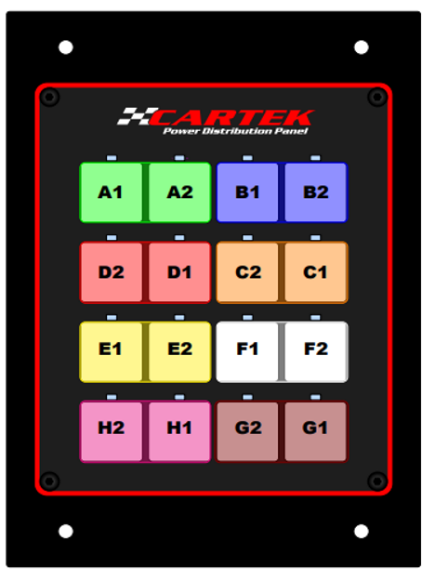
17 | Isolator Signal | SIG | Battery Isolator XR Ignition Signal Input | White | XR Isolator |  | 17 | Backlight High | 12V | Backlight High Power Input | Red | Pin 0
18 | GND | GND | GND | Black | GND |  | 18 | GND | GND | Ground | Black | Ground
19 | N/C | SIG | Wiper Park Position Input | N/C | N/C |  | 19 | Killswitch | 0V SIG | XR Signal Input
20 | NA | NA | NA | NA | NA |  | 20 | Backlight Low | 12V | Backlight (low) Power Input | Red | PDM Blue Pin | Low Beam Switch
21 | GND | GND | Ground | Black | Ground Cable |  | 21 | NA | NA | NA | N/C | N/C
22 | NA | NA | NA | NA |  |  | 22 | NA | NA | NA | N/C | N/C
23 | NA | NA | NA | NA | 4 |  | 23 | NA | NA | NA | N/C | N/C
24 | Starter Wire | 12V | Channel C1 Power Output | Red/Black | Pin 4 EH BH |  | 24 | TS LT | 12V | Channel E1 Power Output | Yellow White | BH BH
25 | N/C | SW | Channel C1 Switch Input/Output . |  |  |  | 25 | N/C | SIG | Channel E1 Switch Input/Output
26 | N/C | 0V SIG | Channel C1 ECU Input |  |  |  | 26 | N/C | 0V SIG | Channel E1 ECU Input
27 | Ignition Power | 12V | Channel C2 Power Output | Red | ECU & Coil |  | 27 | TS RT | 12V | Channel E2 Power Output | White/Red & Green | Pin 4 BH BH / Pin 2 RBH
28 | N/C | SW | Channel C2 Switch Input/Output |  |  |  | 28 | N/C | SIG | Channel E2 Switch Input/Output | N/C | N/C
29 | N/C | 0V SIG | Channel C2 ECU Input |  |  |  | 29 | N/C | 0V SIG | Channel E2 ECU Input | N/C | N/C
30 | N/C | 0V SIG | Channel D1 ECU Input |  |  |  | 30 | N/C | 0V SIG | Channel F1 ECU Input | N/C | N/C
31 | N/C | SIG | Channel D1 Switch Input/Output |  |  |  | 31 | N/C | SIG | Channel F1 Switch Input/Output | N/C | N/C
32 | ECU Power | 12V | Channel D1 Power Output | Red & White/Red | Pin 1 DH BH&Pin 1B BMM ECU 1 |  | 32 | Fan | 12V | Channel F1 Power Output | Blue | Fan Relay
33 | N/C | 0V SIG | Channel D2 ECU Input |  |  |  | 33 | Fan Relay | 0V SIG | Channel F2 ECU Input | Black/Green | Water Pump Controller
34 | N/C | SIG | Channel D2 Switch Input/Outpu |  |  |  | 34 | N/C | SIG | Channel F2 Switch Input/Output | N/C | N/C
35 | N/C | 12V | Channel D2 Power Output | Red | AUX |  | 35 | N/C | 12V | Channel F2 Power Output | N/C | N/C
BMM ECU Connector 1 ✅ |  |  |  |  |  |  | BMM ECU Connector 2 |  |  |  |  |  |  | BMM ECU Connector 3✅ |  |  |  |  |  | BMM ECU Connector 4 (DBW)
Pin Designation | Name | Type | Typical Function | Color | Source | Destination | Pin Designation | Name | Type | Typical Function | Color | Source | Destination | Pin Designation | Name | Type | Typical Function | Color | Goes To | Pin Designation | Name | Type | Typical Function | Color | Goes To
1A | Constant Voltage | 12V | 12V all times | Red | PDM Pin 0 | Crimped, not connected | 2A | Ground | GND | GND | Black | ECU | AUX | 3A | Chasssis GND | GND | Power GND | Black | Ground | 4A | DBW | ETB+
1B | Ignition Voltage | 12V | ECU Power | Red/White | PDM Black Pin 27 | Pin 32 PDM A | 2B | 5V AUX | 5V | 5V Source | Green/Yellow | ECU | AUX | 3B | Chasssis GND | GND | Power GND | Black | Ground | 4B | DBW | ETB+
1C | NA | NA | NA | NA | NA | NA | 2C | WBO Heater - | LSU 4.9 | LSU 4.9 Pin 3 | Black | CON 2 | Pin 41 EH BH | 3C | Sensor GND | GND | Sensor GND | Black | See below | 4C | DBW | ETB-
1D | CAN L | CAN | CAN H | N/C | N/C | N/C | 2D | 12v | LSU 4.9 | LSU 4.9 Pin 4 | Black | CON 2 | Pin 47 EH Bh | 3D | Sensor GND | GND | Sensor GND | Black | Pin 19, 39. & 40 EH BH | 4D | DBW | ETB-
1E | Check Engine Light | LS | Check Engine Light | N/C | N/C | N/C | 2E | WBO R Trim | LSU 4.9 | LSU 4.9 Pin 5 | Black | CON 2 | Pin 46 EH BH | 3E | Crank Sensor | SIG | Crankshaft Sensor | Yellow | Pin 42 EH BH | 4E | Ground | GND
1F | CAN L | CAN | CAN L | N/C | N/C | N/C | 2F | WBO Ip | LSU 4.9 | LSU 4.9 Pin 1 | Black | CON 2 | Pin 35 EH BH | 3F | MAF GND | GND | MAF GND | N/C | N/C | 4F | Ground | GND
1G | Ignition 1&4 (rev D) | SIG | Ignition SIG | Drk Blue | ECU | Pin 10 EH BH | 2G | WBO Vs/Ip | LSU 4.9 | LSU 4.9 Pin 2 | Black | CON 2 | Pin 31 EH BH | 3G | CAM | SIG | Camshaft Sensor | Drk Blue | Pin 27 EH BH | 4G | PPS2 OR TEMPERATURE SENSOR | SIG
1H | Ignition 2&3 | SIG | Ignition SIG | Black/Green | ECU | Pin 23 EH BH | 2H | WBO Vs | LSU 4.9 | LSU 4.9 Pin 6 | Black | CON 2 | Pin 36 EH BH | 3H | X | X | X | X | X | 4H | Throttle Position Sensor 2 | TPS
1I | USB Ground | GND | USB Ground |  |  |  | 2I | VVT | LS | VVT Output | N/C | N/C | N/C | 3I | Tach/IGN Amp | SIG | Tach/IGN Amp | N/C | not connected | 4I | Pedal Position Sensor | SIG
1J | AC relay | LS | A/C Relay | N/C | N/C | N/C | 2J | Boost Control | SIG | Boost Control Solenoid | Grey/Orange | CON 2 | Pin 29 EH BH | 3K | TPS 5v 94-95 | 5V | 5v reference | Red | Pin 37 EH BH | 4J | 4J | TPS
1K | NA | NA | NA | NA | NA | NA | 2K | GND | GND | GND |  |  |  | 3L | TPS Input | SIG | TPS INPUT |  |  | 4K | 5V AUX | 5V
1L | Coolant Fan Relay | LS | Coolant Fan Relay | N/C | N/C | N/C | 2L | Flex Fuel | SIG | Flex Fuel Input | Blue/Pink | ECU | E85 Sensor | 3M | TPS Input | SIG | TPS INPUT |  |  | 4L | 5V AUX | 5V
1M | Vehicle Soeed Sensor | SIG | VSS IN | N/C | N/C | N/C | 2M | Pressure Sensor | SIG | (Fuel) Pressure Sensor | Purple/White | BH EH Pin 18 | Absolute Pressure | 3O | MAF | SIG | MAF Input | Grey/Brown | N/C
1N | 5V Reference | 5V | 5V Sensor | Green/Green-Yell | ECU | Pin 38 EH BH, | 2N | AUX Temp | SIG | AUX Temperature Sensor | N/C | N/C | N/C | 3P | IAT | SIG | IAT sensor | Brown | Pin 9 EH BH
1Q | AC Switch | DIN | A/C switch input | N/C | N/C | N/C | 2O | GND | GND | GND |  |  |  | 3S | A/C Fan 94-95 |  | A/C Fan | Lght Blue | Pin 43 EH BH
1R | AUX Coolant Fan Relay | SIG | AUX Coolant Fan Relay | N/C | N/C | N/C | 2P | Knock Sensor | SIG | Knock Input | Orange/Red | ECU | Pin 11 EH BH | 3T | FPR | LS | Fuel Pump Relay
1S | Heater Input | SIG | Heater Input | N/C | N/C | N/C |  |  |  |  |  |  |  | 3N | O2S |  | External Wideband signal | White | Failsafe Gauge |  |  | Sensor GND: | 12V Pin 0 | 12V IGN:
1T | EGR Solenoid | SIG | EGR | N/C | N/C | N/C |  |  |  |  |  |  |  | 3Q | Coolant Sensor | SIG | CLT sensor | Blue |  |  |  | Water Temperature | Water Pump Const | Water Pump ACC
1U | NA | NA | NA | NA | NA | NA |  |  |  |  |  |  |  | 3U | Injector 1 | SIG | Injector 1 | Yellow | Pin 20 EH BH |  |  | O2 4.2 | Radio | ECU ACC
1V | Clutch Switch | DIN | Clutch switch input | White/Brown | ECU | Pedal Box |  |  |  |  |  |  |  | 3V | Injector 2 | SIG | Injector 2 | White/Yellow | Pin 33 EH BH |  |  | O2 4.9 | Mirror Const | Mirror ACC
 |  |  |  |  |  |  |  |  |  |  |  |  |  | 3W | IDLE | LS | IAC idle | N/C | N/C |  |  | IAT | ECU Constant | Dash Cluster
 |  |  |  |  |  |  |  |  |  |  |  |  |  | 3Y | Injector 3 | SIG | Injector 3 | Green | Pin 8 EH BH |  |  | Oil Temp | Backlight High | DRL
 |  |  |  |  |  |  |  |  |  |  |  |  |  | 3Z | Injector 4 | SIG | Injector 4 | Green/Black | Pin 22 EH BH |  |  | Fuel Pressure
 |  |  |  |  |  |  |  |  |  |  |  |  |  | BMM ECU Connector 3 Sensor Ground Routing |  |  |  |  |  |  |  | Oil Pressure
 |  |  |  |  |  |  |  |  |  |  |  |  |  | Pin Designation | Name | Type | Typical Function | Color | Goes To | Pin Designation |  | E85
 |  |  |  |  |  |  |  |  |  |  |  |  |  | 3C |  | GND | Sensor GND | Black | Rear Body Harness: Flex Fuel Sensor,
 |  |  |  |  |  |  |  |  |  |  |  |  |  | 3D |  | GND | Sensor GND | Black | Bulkhead Engine: AEM Coolant & Oil Pressure, Oil temperature

Relay A |  |  |  |  |  |  | Relay B |  |  |  |  |  |  | Relay C
Pin Number | Name | Type | Typical Function | Color | Source | Destination | Pin Number | Name | Type | Typical Function | Color | Source | Destination | Pin Number | Name | Type | Typical Function | Color | Source | Destination
86 |  |  | Switch On/Off |  | Ignition Button |  | 1 |  |  | Switch On/Off |  | Ignition Button |  | 1 |  |  |  |  | Fan Button
87 |  |  | Power Out |  | Relay |  | 2 |  |  | Power |  | Ignition Button |  | 2 |  |  |  |  | Fan Button
30 |  |  | Power In |  | 12V |  | 3 |  |  | Ground |  | Ignition Button |  | 3 |  |  |  |  | Fan Button
85 |  |  | Ground |  | GND |  | 4 |  |  | Ground |  | Ignition Button |  | 4 |  |  |  |  | Fan Button
Relay Box Fuses
Pin Number | Name | Type | Typical Function | Color | Source | Destination
1
2
3
4
5
6
7
8
9
10
11
12

Changelog: | Notes
11/3/2024 | Removed sensor GNDs from pins 19, 32, 39, & 40 from EHBH, added to main sensor GND in pin 0.
 | Reconfiguring for DBW

